Problem
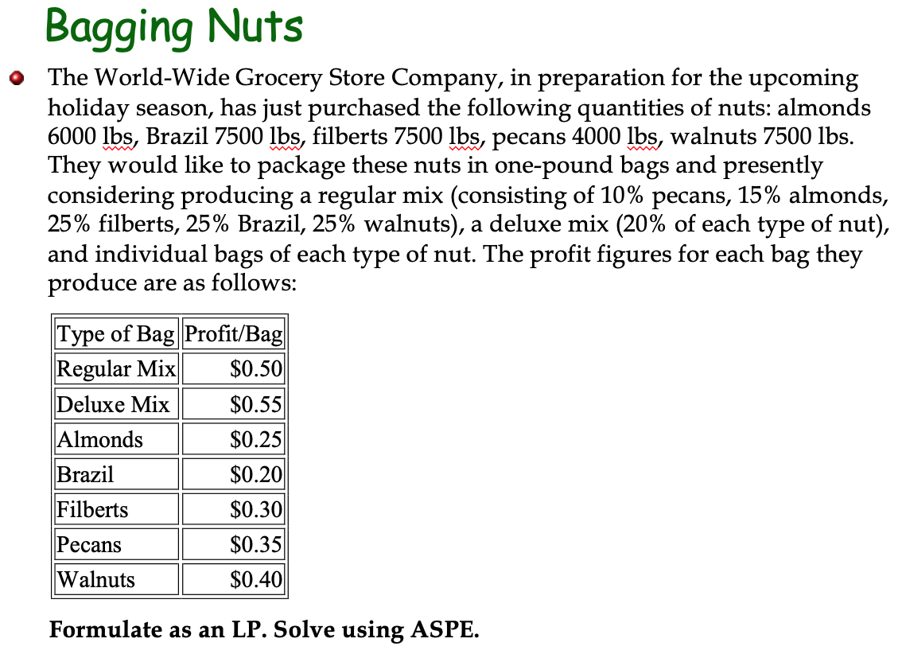

Solution
Let R, D, A, B, F, P, W = no of bags of each product type

Decision Var | R | D | A | B | F | P | W
No of Bags | 23333.333333 | 8333.3333333 | 833.33333333 | -4.5474735089E-13 | -4.5474735089E-13 | 0 | 0 | Max
Profit | 0.5 | 0.55 | 0.25 | 0.2 | 0.3 | 0.35 | 0.4 | 16458.333333
Constraints
Total Almonds | 0.15 | 0.2 | 1 |  |  |  |  | 6000 | <= | 6000
Total Brazil | 0.25 | 0.2 |  | 1 |  |  |  | 7500 | <= | 7500
Total Filberts | 0.25 | 0.2 |  |  | 1 |  |  | 7500 | <= | 7500
Total Pecans | 0.1 | 0.2 |  |  |  | 1 |  | 4000 | <= | 4000
Total Walnuts | 0.25 | 0.2 |  |  |  |  | 1 | 7500 | <= | 7500

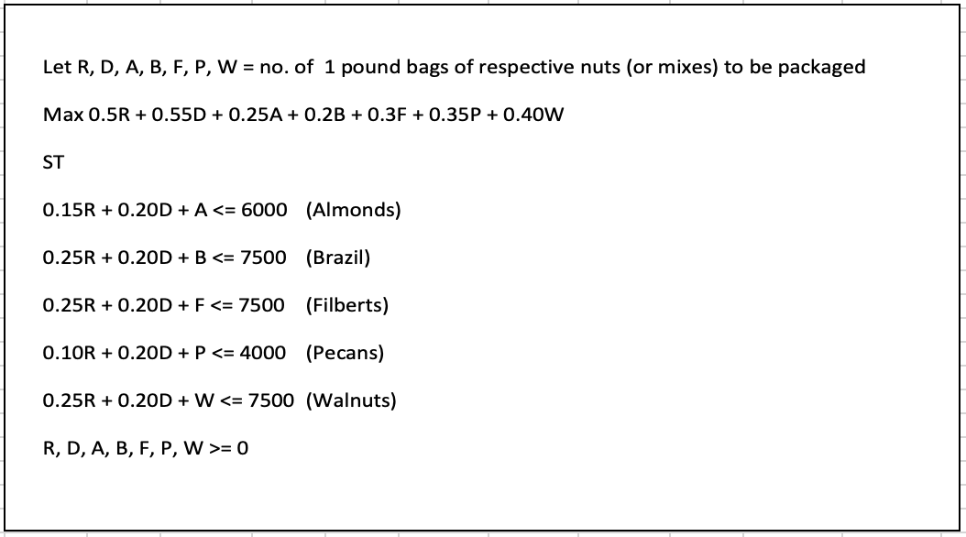
Sensitivity Analysis Report
Objective Cell (Max)
 | Cell | Name | Final Value
 | $I$5 | Profit Max | 16458.333333

Decision Variable Cells
 |  |  | Final | Reduced | Objective | Allowable | Allowable
 | Cell | Name | Value | Cost | Coefficient | Increase | Decrease
 | $B$4 | No of Bags R | 23333.333333 | 0 | 0.5 | 0.110000015 | 0.077500015
 | $C$4 | No of Bags D | 8333.3333333 | 0 | 0.55 | 0.15500003 | 0.088000012
 | $D$4 | No of Bags A | 833.33333333 | 0 | 0.25 | 1.10000015 | 0.2500001
 | $E$4 | No of Bags B | -4.5474735089E-13 | 0 | 0.2 | 0.51666676667 | 0.2000001
 | $F$4 | No of Bags F | -4.5474735089E-13 | 0 | 0.3 | 0.51666676667 | 0.3000001
 | $G$4 | No of Bags P | 0 | -0.73333333333 | 0.35 | 0.73333333333 | 1E+30
 | $H$4 | No of Bags W | 0 | -0.51666666667 | 0.4 | 0.51666666667 | 1E+30

Constraints
 |  |  | Final | Shadow | Constraint | Allowable | Allowable
 | Cell | Name | Value | Price | R.H. Side | Increase | Decrease
 | $I$7 | Total Almonds Max | 6000 | 0.25 | 6000 | 1E+30 | 833.33333333
 | $I$8 | Total Brazil Max | 7500 | 0.2 | 7500 | 1E+30 | 0
 | $I$9 | Total Filberts Max | 7500 | 0.3 | 7500 | 1E+30 | 0
 | $I$10 | Total Pecans Max | 4000 | 1.0833333333 | 4000 | 1250 | 1000
 | $I$11 | Total Walnuts Max | 7500 | 0.91666666667 | 7500 | 0 | 3500

